Bug report
Feature | Bug ID | Issue Discription | Step to reproduce | Expected result | Actual result | severity | Status | screenshot/video
Register functionality | 1 | Weak password accepted | 1.open TutorialNinja application. 2.Click on register 3.Enter valid data. 4.Enter weak password | Application should be displayed pop message | Application is accepted weak password. | Major | open | 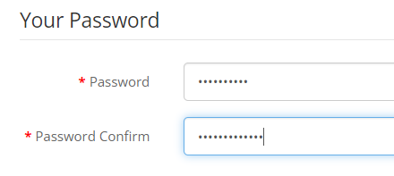
Register functionality | 2 | Registration successful message not showing | 1.open TutorialNinja application. 2.Click on register 3.Enter valid data. 5.enter strong password. 4.click on continue. | Application should be displayed register sucssesful message | Application is not displayed register successful message. | Major | open | 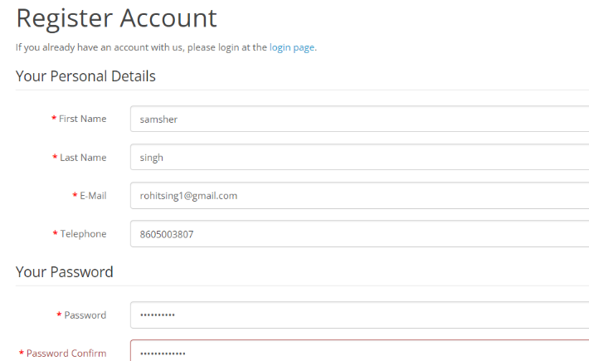
Register functionality | 3 | Registration successful message not showing | 1.open TutorialNinja application. 2.Click on register 3.Enter valid data. 5.enter weak password. 4.click on continue. | Application should be displayed register sucssesful message | Application is not displayed register successful message. | Major | open
Register functionality | 4 | special character accepeted | 1.open TutorialNinja application. 2.Click on register 3.Enter valid data. 5.enter name with special character. 4.click on continue. | Application should be displayed popup message | Application is not displayed popup message. | Major | open | 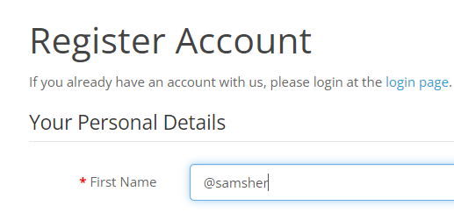
Register functionality | 5 | special character accepeted | 1.open TutorialNinja application. 2.Click on register 3.Enter valid data. 5.enter last name with special character. 4.click on continue. | Application should be displayed popup message | Application is not displayed popup message. | Major | open | 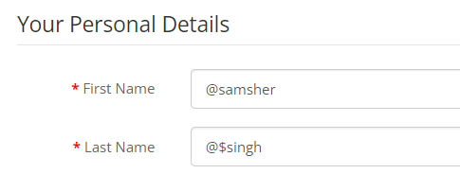
Register functionality | 6 | application is not showing remember me option | 1.open TutorialNinja application. 2.Click on register 3.Enter valid data . 4.click on continue. | Application should be displayed remember me message | Application is not displayed remember me message. | Major | open | 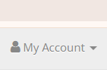
Register functionality | 7 | application is not sending email verification | 1.open TutorialNinja application. 2.Click on register 3.Enter valid data . 4.click on continue. | Application should be sent email verification . | Application is not sending email verification. | Major | open
Register functionality | 8 | application accepted used data | 1.open TutorialNinja application. 2.Click on register 3.Enter used data . 4.click on continue. | Application should be displayed popup message. | Application is not displayed popup message. | Major | open
Homepage | 9 | Telephone number is not clickable. | 1.open tutorialNinja application. 2.click on telephone number. | Telephone number should be clickable to call | Telephone number is not clickable to call. | Major | open

